3. Persona
 |  | Persona Identification
 |  |  |  |  | Don't move red columns
 |  |  |  |  | AB | AC
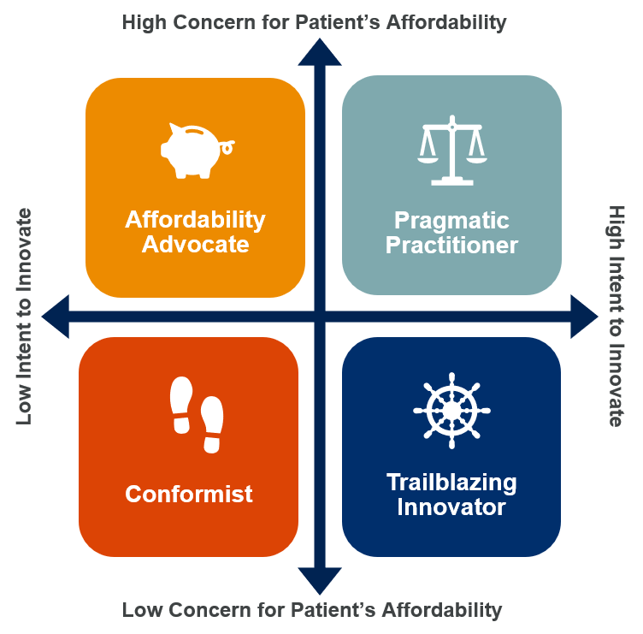
 | Rate the following two aspects of the doctor: |  |  |  | Intent | Care |  | Persona | Chat Nudges | Description
 | (Pick one from High or Low) |  |  | High | TRUE | FALSE | FALSE | Affordability Advocate | "Optimize hospital resources, enhance care, and achieve affordability without compromising quality. Cost-effective solutions, attractive bundling offers, and flexible payment options for high-quality, budget-conscious healthcare." | Recommends products that can be easily afforded by their patients, even if has to trade off performance. A high upfront cost is a hindrance in recommending.
 |  |  |  | Low |  |  | FALSE | Pragmatic Practitioner | "Elevate patient care with BD's innovative solutions. Proven efficacy, safety, and improved quality of life. Trust clinical evidence, minimize complications, optimize resources, and achieve cost-effectiveness. Deliver exceptional outcomes and maximise efficiency." | Aims to find a middle ground by going for innovative products that would be cost-effective in the long run. Seeks out innovative cost-saving solutions to make healthcare more accessible.
 | 1. Intent to Innovate* |  | High |  |  |  | TRUE | Trailblazing Innovator | "Unleash your potential with BD's cutting-edge technology. Achieve breakthrough results, superior outcomes, and revolutionize healthcare. Lead the way in medical advancements and set new benchmarks of excellence together." | Willing to invest in new technologies and approaches, even if they come at a higher cost. Primary goal is to drive innovation and lead the way in advancing healthcare practices.
 |  |  |  |  |  |  | FALSE | Conformist | "Embrace trusted, innovative solutions endorsed by healthcare professionals and experts. BD sets new standards, leaving behind outdated technologies for modern medical practice." | Has high habitual inertia: Sticks to traditional practices or the ones accepted among peers. Values peer recommendation and expert opinion.
 | 2. Care for Patient's Affordability* |  | Low

 | Output

 | Persona Type: | Trailblazing Innovator
 | Persona Description: | Willing to invest in new technologies and approaches, even if they come at a higher cost. Primary goal is to drive innovation and lead the way in advancing healthcare practices.
 | Chat Nudge: | "Unleash your potential with BD's cutting-edge technology. Achieve breakthrough results, superior outcomes, and revolutionize healthcare. Lead the way in medical advancements and set new benchmarks of excellence together."

*Can be evaluated using proxy variables like types of consumables already in use or the economic well-being of the patients.

5. Sub-Persona (1)
